Reporting Square Cash receipts
MBX Boosters
Determining Square Cash Receipts
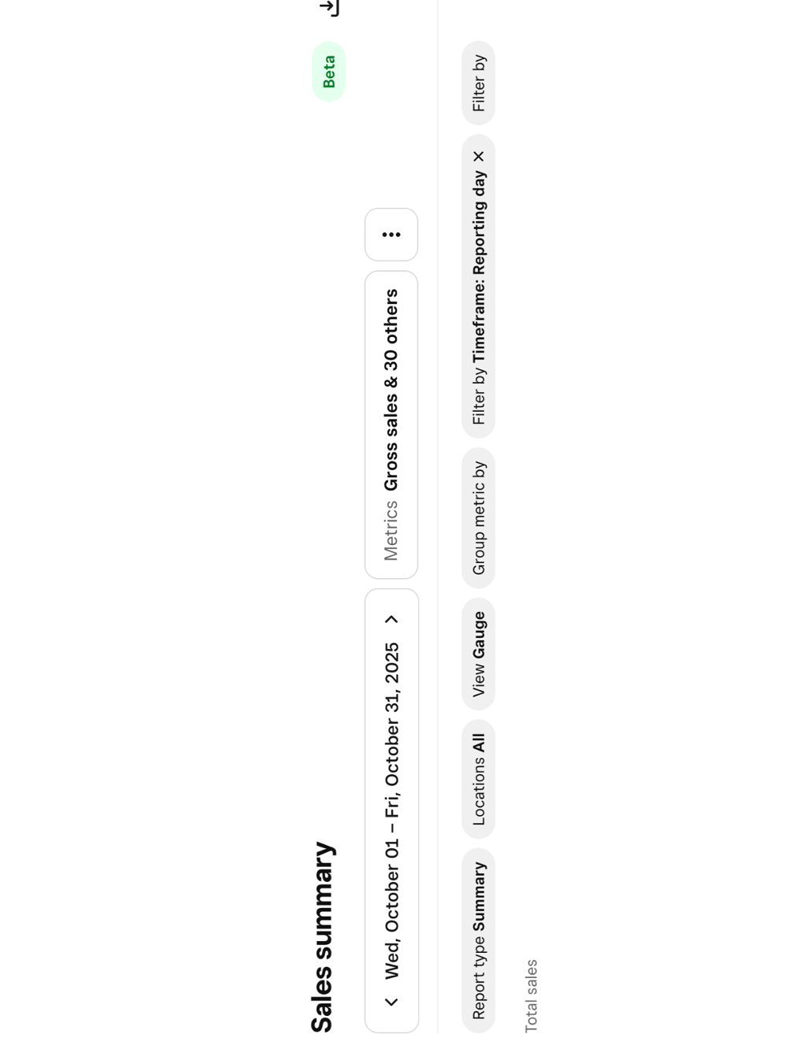
To determine the amount of cash collected by your booster through Square follow these steps
STEP
1 | Log into Square
2 | Go to Reports on the left side of the Dashboard
3 |  | Choose Sales
4 |  |  | Sales Summary

5 |  | Choose your booster organization from Locations above
6 |  | Choose the correct reporting period from the dates above
7 | SCROLL DOWN

8 | Report total cash in line (b) of the cash deposit form.

